Hoja1
SEMANA-10

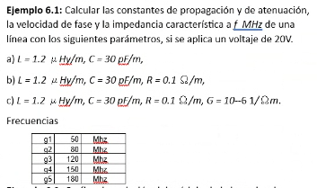
 |  |  |  |  |  |  |  |  |  | Columna1 | G4
 |  |  |  |  |  |  |  |  |  | f | 150000000
 |  |  | Columna1 | L | C | R | G |  |  | w | 942477796.08 |  |  | Vo | 20
 |  |  | A | 0.0000012 | 3E-11
 |  |  | B | 0.0000012 | 3E-11 | 0.1 |  |  |  |  |  |  |  | a | pot | 1
 |  |  | C | 0.0000012 | 3E-11 | 0.1 | 0.000001

 |  |  |  |  |  |  |  |  |  |  |  |  |  | b | pot | 0.99999999609
 |  |  | 0.37699111843
 |  |  |  |  |  |  |  |  |  |  |  |  |  | c | pot | 0.99999999672
 | pregunta | A | y | 5.6548667765 |  | B | y | 5.6548667765 | alfa | 0.00025
 |  |  | vf | 166666666.67 |  |  | vf | 166666666.67
 |  |  | zo | 200 |  |  | z' | 200 | z'' | -0.0088419412829

 |  |  |  | C | Z | 0.1+1130.97335529233i |  | Y | 0.000001+0.0282743338823081i
 |  |  |  |  | y | 5.65486677646163+0.00025i
 |  |  |  |  | vf | 166666666.67
 |  |  |  |  | z0 | 200.000000257994-0.00530516475625021i

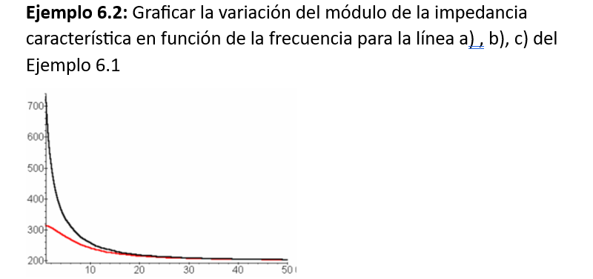

 |  |  |  |  | a | f | zo
 |  |  |  |  |  | 100 | 200
 |  |  |  |  |  | 5000 | 200
 |  |  |  |  |  | 10000 | 200
 |  |  |  |  |  | 15000 | 200
 |  |  |  |  |  | 20000 | 200
 |  |  |  |  |  | 25000 | 200
 |  |  |  |  |  | 30000 | 200
 |  |  |  |  |  | 35000 | 200
 |  |  |  |  |  | 40000 | 200
 |  |  |  |  |  | 45000 | 200
 |  |  |  |  |  | 50000 | 200

 |  |  |  |  | b | f | zo | modulo zo |  | c | f | zo | modulo zo
 |  |  |  |  |  | 100 | 1634.8265296407-1622.5466964057i | 2303.3270641 |  |  | 100 | 316.199122841871-1.78775267703349i | 316.20417667
 |  |  |  |  |  | 5000 | 276.941078137096-191.562942031431i | 336.73835766 |  |  | 5000 | 273.447896567007-54.7589347072888i | 278.87684211
 |  |  |  |  |  | 10000 | 230.696264729696-114.981592266911i | 257.76255182 |  |  | 10000 | 236.507238779062-52.5139633851436i | 242.26718793
 |  |  |  |  |  | 15000 | 216.094448609008-81.8340437692715i | 231.07059839 |  |  | 15000 | 220.237207952092-42.8204999156652i | 224.36136695
 |  |  |  |  |  | 20000 | 209.757043424706-63.2298763740223i | 219.07997292 |  |  | 20000 | 212.52748913537-34.981978569436i | 215.38726161
 |  |  |  |  |  | 25000 | 206.495059622923-51.3829704150551i | 212.79196248 |  |  | 25000 | 208.422112342121-29.2285244559294i | 210.46159639
 |  |  |  |  |  | 30000 | 204.61506671252-43.2125621291896i | 209.12831241 |  |  | 30000 | 206.01683161473-24.9702539548651i | 207.52457322
 |  |  |  |  |  | 35000 | 203.439936029437-37.2532894072634i | 206.82266593 |  |  | 35000 | 204.499499636726-21.7367534413928i | 205.6514814
 |  |  |  |  |  | 40000 | 202.65917927198-32.7222087150689i | 205.28391531 |  |  | 40000 | 203.485681345948-19.2155689938712i | 204.3909504
 |  |  |  |  |  | 45000 | 202.115261016841-29.1646830242616i | 204.20861263 |  |  | 45000 | 202.776769491766-17.2026309202383i | 203.50515658
 |  |  |  |  |  | 50000 | 201.721737819556-26.2994203156995i | 203.42890409 |  |  | 50000 | 202.262549124606-15.5622618899155i | 202.86035289

